(READ ME) User Guide
A. Input Guidance
Step 1: DPS Input |  |  |  |  | DPS |  | Change log:
 |  |  |  |  | Copywriting |  | May 22 (ML):
DPS is responsible for completing the light blue columns. |  |  |  |  | DPS |  |  | Alerts & Transactions: Added interlocking dropdown logic for column B (new, category), and colum C (module)
Applicable tabs: |  |  |  |  |  |  |  | Added status of copy and status of submission at the end (drop down fields)
Alerts/Transactions |  |  |  |  |  |  | May 26 (Sandy):
Promos |  |  |  |  |  |  |  | Alerts & Transactions & Promos: Change "Last edited by" to "Date Created "
Deeplink Mapping |  |  |  |  |  |  |  | Added new column U & V

Step 2: Copywriting

Upon completion of Step 1, the copywriter will proceed to complete the orange columns.
Applicable tabs:
Alerts/Transactions
Promos

Step 3: DPS Review & Finalisation

After copywriting is completed, DPS will review and update the dark blue columns.
Applicable tabs:
Alerts/Transactions
Promos

B. Notification Template Fields

1) | Module
 | Name the module, e.g tabung, transfer, scan & pay, onboarding, apply, settings.

2) | Notification Name
 | Describe the name of the notification, e.g. scan & pay, transfer successful, harvey norman campaign.

3) | Notification Type
 | Choose the most relevant notification type based on the clasification guide shown below :

 | Type | Definition |  | Examples
 | Action-based Triggered by user action | Confirmation, result, or consequence of a user's direct, explicit action. |  | • Profile/settings updated → “Update successful” • User makes a payment → sender + recipient notified • User subscribes/redeems investment → “Order submitted / completed” • User invites others → “You’ve been invited to join…” • User requests money → “Request sent” / recipient gets “You have a request”
 | System-based Triggered by the system or bank-initiated actions | Detection, analysis, or rule-based scheduling not caused by the user's immediate input. |  | • Fraud detection alert- Suspicious login attempt • Scheduled maintenance announcement • Tips, education, insights, nudges • Stock/price alert hit • Goal progress updates • Cashback/reward awarded by system
 | Time-based Triggered by dates, or recurring schedules | Driven by a specific deadline, due date, or recurring schedule, regardless of recent user activity. |  | • Bill payment due reminders • Overdue collection reminders • Scheduled payment reminders (2 days before) • Subscription renewal reminders • Monthly account summary • Recurring savings goal reminder • Credit card statement ready

4) | Trigger Description
 | Decribe the description in detail. What the trigger is all about. How does it happen.

5) | L1/ L2 category
 | Choose the most relevant L1/ L2 sub category based on the clasification guide shown below :

 | L1 category | Purpose/ Content |  | L2 sub category
 | Alerts | Provide timely, relevant information to users, including: Informational messages: Announcements, educational content, or general status updates (non-actionable) Event notifications: Specific events related to the user's accounts, services, or security, which may include reminders or warnings (potentially actionable) |  | System announcements Tips and education Reminders Status update Opt-in alerts Awards & prizes Requests received Actionable to-dos System/ Security alerts that requires urgent attention
 | Transactions | Dedicated to financial movements, providing a detailed log of money entering and leaving the user's accounts. |  | Money in Money out
 | Promos | Used for marketing and promotional content, these messages are tailored to the user's behaviour and interests. They aim to enhance engagement with products, services, and special offers. |  | Marketing events Personalised upselling Lifestyle content related to spending Tailored product offers

6) | PN Preview Title/ Body
 | Insert the PN preview title and body in accordance with the respective formats outlined below:

 | L1 category | Preview Title |  | Preview Body
 | Alerts | Cap at 30 characters, 1 line in App Review & Notification Centre Longer titles will be truncated |  | Cap at 120 characters, 3 lines in App Review & Notification Centre Longer texts will be truncated
 | Transactions | Cap at 30 characters, 1 line in App Review & Notification Centre Longer titles will be truncated Title Format : [Module]: [Mode/Action + status] |  | Cap at 120 characters, 3 lines in App Review & Notification Centre Longer texts will be truncated
 | Promos | Cap at 33 characters, 1 line in App Review, 2 lines in Notification Centre Longer titles will be truncated |  | Cap at 90 characters, 2 line in App Preview, 3 lines in Notification Centre Longer texts will be truncated

7) | Inner Page Title/ Body
 | Insert the Inner Page title and body in accordance with the respective formats outlined below:

 | L1 category | Inner Page Title |  | Inner Page Body
 | Alerts | Cap at 34 characters, 1 line longer lines will flow into the next line |  | Max 450 characters spacing and line breaks allowed
 | Transactions | N/A configured by the system (no manual input required) |  | N/A configured by the system (no manual input required)
 | Promos | Cap at 90 characters, 3 lines Longer titles will be truncated |  | Cap at 400 characters emojis and line breaks allowed

8) | CTA Title / Decription/ Link
 | (a) Insert the CTA title according to format outlined below:

 | L1 category | CTA Title
 | Alerts | Max 26 characters, 3 words (ex. View)
 | Transactions | N/A
 | Promos | Cap at 26 characters, 3 words (ex. Take me there)

 | (b) CTA description/ link
 | Clearly describe what users will see or be taken to after tapping the CTA , e.g. transaction details page, in-app web page

 | Deeplink Format & Example : [module]. [level]/ [item ID (if_needed)]. [element].[lang]
 | eg. transfer.landing. overseas. alert_banner

 | Metrics | Description |  | Examples
 | Module | High-level product area |  | wealth, transfer apply, scan pay
 | Level | Specific screen or feature sub-section |  | landing, details, history, manage, pay
 | Item ID | Specific state of the screen or unique identifier of an entry/ product/ status |  | ongoing, past, empty_state, [articleID]
 | Element | Specific UI component level (not applicable for page level deeplink) |  | alert_banner, cta_button, header

9) | Media (for Promos)
 | Insert a google drive link along with an image showing the dimensions attached below (max file size 500 KB)
 | Please ensure content & logo stays within 24px high padding on the top & bottom and 24px on the right & left
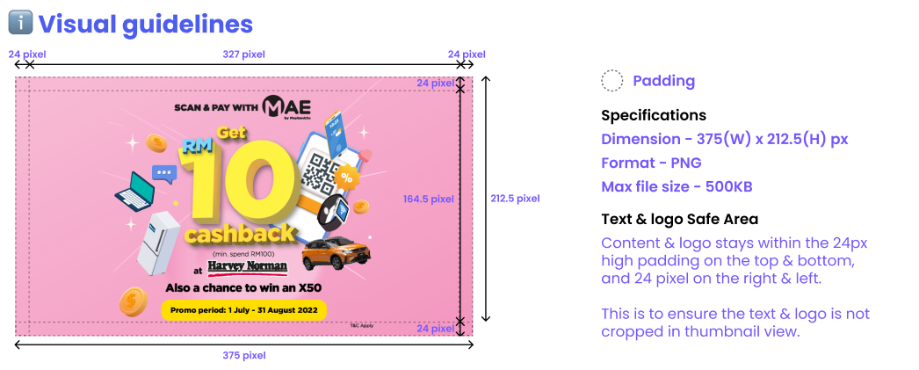

 | Ex: Notification Center Preview |  | Ex: Inner Page Preview
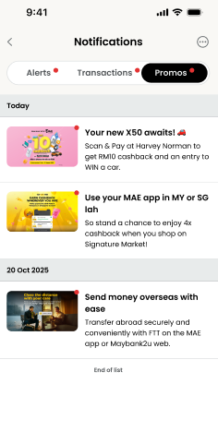
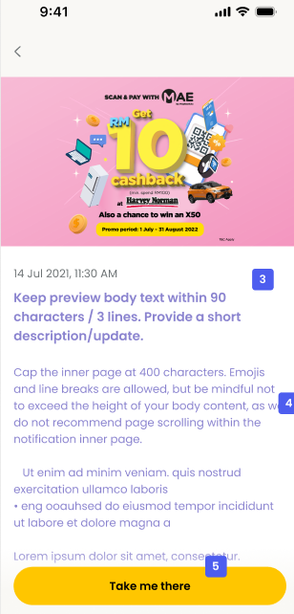

10) | Email Subject/ Content

 | L1 category | Email Subject Format |  | Metrics to Include (Monetary) |  | Metrics to Include (Non-Monetary) |  |  | Sample Template Preview
 | Alerts/ Transactions | [Module]: [Mode/Action + status] |  | Customer & Identity -Customer Full Name -Customer ID (internal) -Masked Account except last 6 digits / Product Number Transaction -Transaction Type -Product Category -Product Name -Transaction / Reference ID -Transaction Date & Time -Transaction Status Monetary -Currency -Transaction Amount -Interest / Profit Indicator Schedule & Instruction -Payment Frequency -Effective / Maturity / Due Date -Settlement / Payment Mode * Include only metrics relevant to the notification, adding any others deemed necessary |  | Customer -Customer Full Name -Customer ID (internal, optional) -Preferred Language Communication Context -email purpose -subject category Reference & Timing -reference ID (Case/ Ticket/ Request- if applicable) -trigger event -send date/time * Include only metrics relevant to the notification, adding any others deemed necessary |  |  | Dear [FULL NAME], Your <Deposito/Deposito iB> in investment portfolio [mask numbers except last 6 digits] has been placed successfully. Below are your order details: Order ID: [Avaloq Order ID] Product Name: [Product Name] Principal Amount: [Currency] [Amount] <Interest/Profit> Payment Frequency: <Upfront Profit Payment / On Maturity> <Interest/Profit> Payment Mode: <Add to Principal / Credit to Account> Maturity Instruction: <Auto Renewal / Credit to Account> Auto Renewal Instruction: <Principal Only / Principal and <Interest/Profit>
 | Promos | No Set Format |  | No Set Format |  | No Set Format |  |  | No Set Format

11) | SMS

 | Tagging | Format
 | SMS | Max 153 characters including M2U. SMSes must be within 153 characters excluding the RM0 prefix Business units will have different sub-prefixes. Eg. M2U, MBB, MIB, MAMG

12) | Styles & formats
 | Kindly ensure that the UI content is inserted in accordance with the rules and formats outlined below:

 | Tagging | Format |  | Examples
 | Name | <Full Name> cap at 20 characters
 | Currency | All countries other than Malaysia will display currency code in both local transaction journeys and currency exchange journeys.
 | Time | By default, we use the 12-hour format, with numbers separated by colons (:), and with a space between the time and the AM/PM indicator. No need for leading 0s for single digit hours. Both midnight and noon hours will remain as 12:00 AM and 12:00 PM respectively. AM and PM are to be standardised to the capitalised format without periods after the letters. However, in moments that require precise time such as in SMS confirmations, use 24-hour HH:MM:SS format without AM/PM indicators. |  | 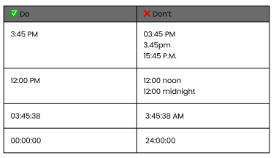
 | Date | Use the dd mmm yyyy format and only take the first 3 letters of the month’s name. No need for leading 0s for single digit dates.
 | Date & Time | When both date & time is required, use comma as a separator.

13) | Auto Populated Item
 | Item coloured with yellow will be auto populated. Please do not insert any value into yellow cells.

Deeplink mapping
Deeplinking mapping
 | User input (Dropdown) | User input (Dropdown) | User input (Free text) | User input | Tech to provide | DPS
No | Category | Module | Landing screen (Path) | Screen (Ref) | Deeplink string | Copywriting
Ex |  |  |  |  |  | DPS
1 | _04_Dashboard | App dashboard | dashboard/banking | 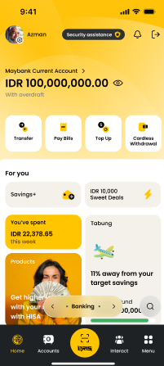 Figma links or screens | home.banking_dashboard
2 | _04_Dashboard | App dashboard | dashboard/wealth
3 | _04_Dashboard | App dashboard | dashboard/ibo
4 | _07_BankingWealth | Trx - Transfer local | transfer/local/all
5 | _07_BankingWealth | Trx - Transfer local | transfer/local/frequent
6 | _07_BankingWealth | Trx - Transfer local | transfer/local/own
7 | _07_BankingWealth | Trx - Transfer overseas | transfer/overseas/all
8 | _07_BankingWealth | Trx - Transfer overseas | transfer/overseas/frequent
9 | _07_BankingWealth | Trx - Transfer local | transfer/local/new
10 | Trx - Transfer local | Trx - Transfer overseas | transfer/overseas/new
11 | _03_GeneralReusable | Transactions | transactionDetailsScreen/$transactionID$ | 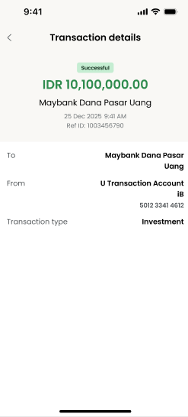 | transfer_local.detail_transactions_screen
12 | _07_BankingWealth | Trx - Transfer local | transfer/local/existing/$recipientID$/enterAmount
 | _07_BankingWealth | Trx - Transfer local | transfer/local/viewschedules/details
13 | _07_BankingWealth | Wealth - Tabung | tabung/viewrequest/group invitation | 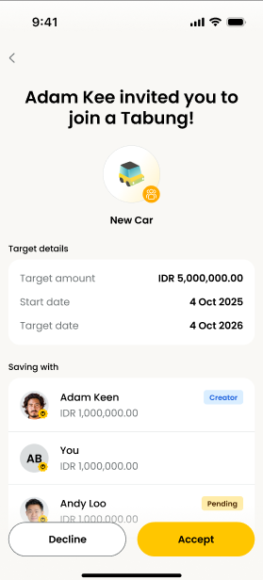 | tabung.view_request.group_invitation
14 | _07_BankingWealth | Wealth - Tabung | tabung/viewTabungs
15 | _07_BankingWealth | Wealth - Tabung | tabung/createTabung
16 | _07_BankingWealth | Wealth - Tabung | tabung/recurringTransfer
17 | _07_BankingWealth | Trx - Pay bills | payBills/$merchantID$/enterAmount
18 | _07_BankingWealth | Account dashboard (incl. FD) | dashboard/cc/transactiondetails | 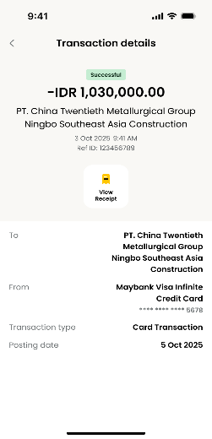
19 | _07_BankingWealth | Account dashboard (incl. FD) | dashboard/deposits/transactiondetails
20 | _07_BankingWealth | Account dashboard (incl. FD) | dashboard/customercare | 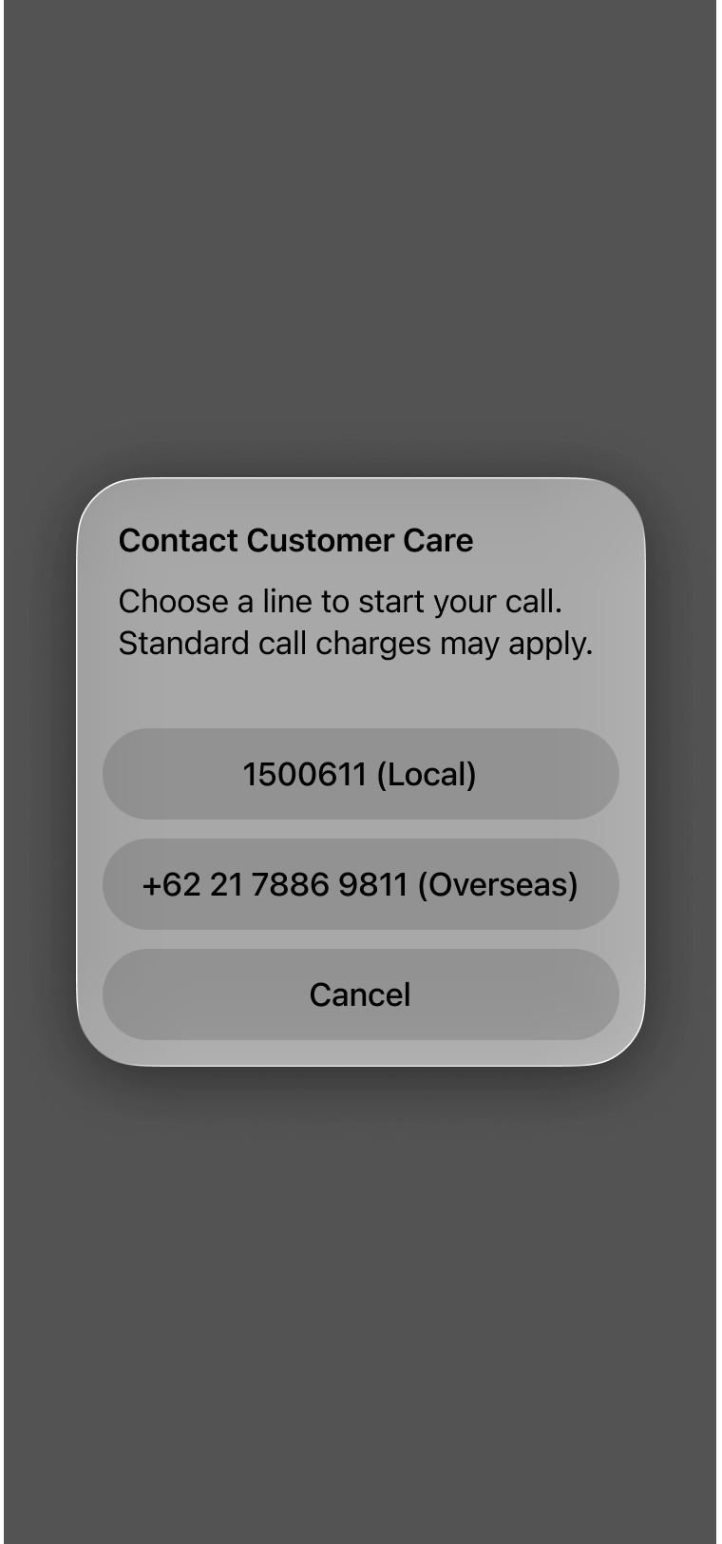
21 | _07_BankingWealth | Account dashboard (incl. FD) | dashboard/CC/manage
22 | _07_BankingWealth | Account dashboard (incl. FD) | dashboard/CC
23 | _04_Dashboard | Segment - 3P | appdashboard/3P/upgrade/MasstoPrivilege
24 | _04_Dashboard | Segment - 3P | appdashboard/3P/upgrade/MasstoPremier
25 | _04_Dashboard | Segment - 3P | appdashboard/3P/upgrade/PrivilegetoPremier
26 | _04_Dashboard | Segment - 3P | appdashboard/3P/downgrade/Privilegetomass
27 | _04_Dashboard | Segment - 3P | appdashboard/3P/downgrade/Premiertomass
28 | _04_Dashboard | Segment - 3P | appdashboard/3P/downgrade/Premiertoprivilege
29 | _04_Dashboard | App dashboard | appdashboard/appupdates
 | _04_Dashboard | App dashboard | dashboard/bankingcoolingoff
 | _05_Settings | Settings | settings/security/changepassword
 | _05_Settings | Settings | settings/security/s2umanagement/changeS2Upasscode
30 | _05_Settings | Settings | settings/security/resetpassword

